Sheet1
Sr. No. | Device Name | Raw Materials | Sizes |  | Intended Use | Product Classification |  |  |  |  | EMDN Code | GMDN Code | Basic UDI-DI | Sterilisation Method | Image
 |  |  |  |  |  | Annex VIII (EU MDR 2017) |  | MDCG 2019 - 14, Article 103 (EU MDR 2017)
 |  |  |  |  |  | Class | Rule | MDN Code | MDS Code | MDT Code
1 | Sterile Hypodermic Syringe with Needle | Poly propylene Thermo Plastic Elastomer(T.P.E Compound) Stainless Steel (SUS304) Capillary Tube | 1ml/cc | 23 G (0.63 mm) 24 G (0.55 mm) 26 G (0.45 mm) | Device is to be used for accurately injecting a predetermined amount of medications or other liquids into body tissues. These are also used to transfer solution from one container to another and to administer drugs, vaccines to patients. They are also used for collecting blood samples from the patient for diagnostic purposes. | Class IIa | 6 | MDN 1202 | MDS 1005 and MDS 1010 | MDT 2002, MDT 2008, MDT 2011 | A020102010201 (Infusion And Irrigation Syringes, Luer Cone, 3-Piece With Needle, Single-Use) | 47017 | 890608543SWN01ME | ETO Sterillisation
 |  |  | 2ml/cc | 16 G (1.60 mm) 18 G (1.20 mm) 20 G (0.90 mm) 21 G (0.80 mm) 22 G (0.70 mm) 23 G (0.63 mm) 24 G (0.55 mm) 25 G (0.50 mm) 26 G (0.45 mm)
 |  |  | 3ml/cc
 |  |  | 5ml/cc
 |  |  | 10ml/cc
 |  |  | 20ml/cc
 |  |  | 50ml/cc
 |  | Poly propylene Stainless Steel (SUS304) Capillary Tube | 2 ml/cc (2 pieces) |  |  |  |  |  |  |  | A020102010101 (Infusion And Irrigation Syringes, 2-Piece Luer Cone, 2-Piece With Needle, Single-Use) |  |  |  | 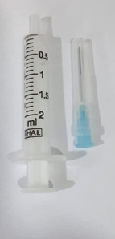
 |  | Poly propylene Thermo Plastic Elastomer(T.P.E Compound) Stainless Steel (SUS304) Capillary Tube | 1 ml/cc tuberculin | 23 G (0.63 mm) 24 G (0.55 mm) 26 G (0.45 mm) |  |  |  |  |  |  | A020102010201 (Infusion And Irrigation Syringes, Luer Cone, 3-Piece With Needle, Single-Use)
2 | Sterile Hypodermic Syringe without Needle | Poly propylene Thermo Plastic Elastomer(T.P.E Compound) | 1ml/cc |  | Device is to be used to transfer solution from one container to another. It is used for accurately injecting/infusing/withdrawing a predetermined amount of fluids, medications or other liquids. They are also used for blood sampling of patient for diagnostic purposes. | Class Is | 2 | MDN 1202 | MDS 1005 and MDS 1010 | MDT 2002, MDT 2008, MDT 2011 | A0201 (Single-Use Syringes) | 35904 | 890608543SWON0150ED | ETO Sterillisation
 |  |  | 2ml/cc
 |  |  | 3ml/cc
 |  |  | 5ml/cc
 |  |  | 10ml/cc
 |  |  | 20ml/cc
 |  |  | 50ml/cc
 |  | Poly propylene | 2 ml/cc (2 pieces)
 |  | Poly propylene Thermo Plastic Elastomer(T.P.E Compound) | 1ml/cc tuberculin |  |  |  |  |  |  |  | A020109 (Tuberculin Syringes, Single-Use)
3 | Sterile Hypodermic Needles | Poly propylene Stainless Steel (SUS304) Capillary Tube | 16 G (1.60 mm) |  | Sterile Hypodermic Needles are slender hollow instrument intended for the use in aspiration and injection of fluids for medical purpose. | Class IIa | 6 | MDN 1202 | MDS 1005 | MDT 2001, MDT 2008, MDT 2011 | A0101010102 (Hypodermic Syringe Needles, w/o safety systems) | 59230 | 890608543HN1626AG | ETO Sterillisation | 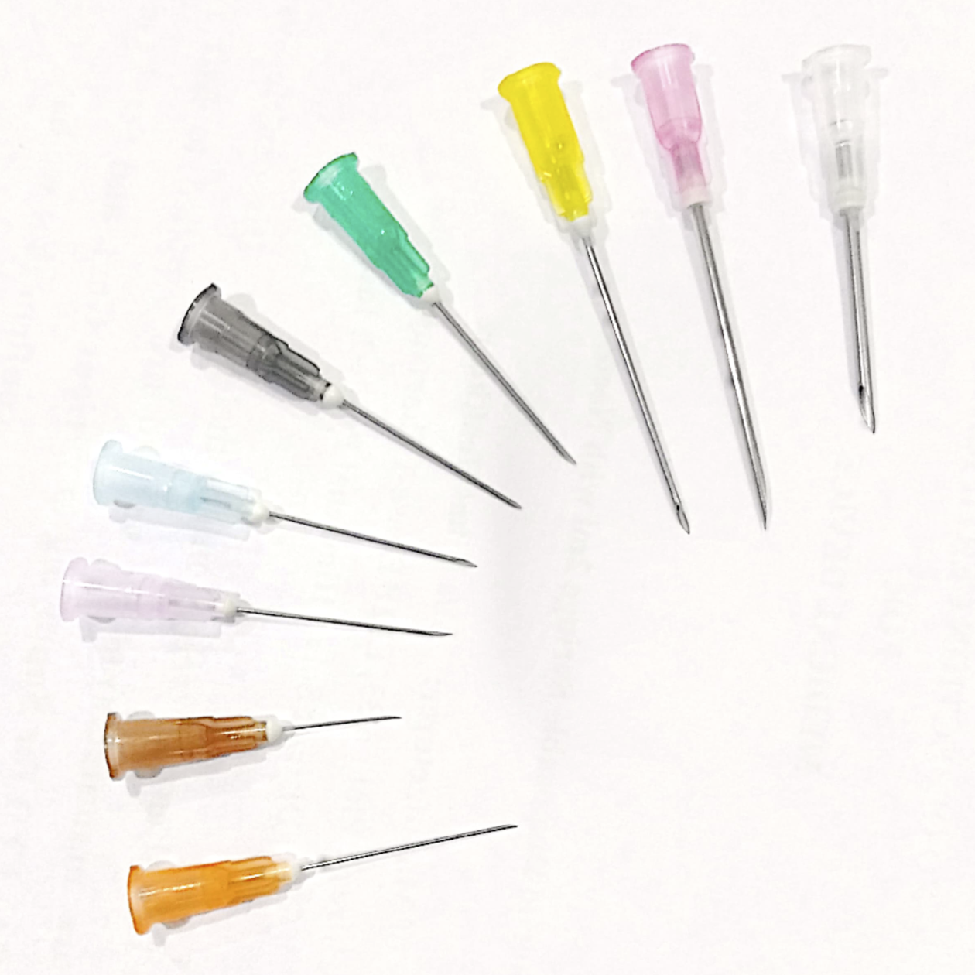
 |  |  | 18 G (1.20 mm)
 |  |  | 20 G (0.90 mm)
 |  |  | 21 G (0.80 mm)
 |  |  | 22 G (0.70 mm)
 |  |  | 23 G (0.63 mm)
 |  |  | 24 G (0.55 mm)
 |  |  | 25 G (0.50 mm)
 |  |  | 26 G (0.45 mm)

 | COMPANY LOGO
 | DOC. NAME | Product List
 | DOC. NO | Annex 1.1
 | ISSUE NO. | 01
 | REV NO. | 00
 | REV DATE | 17.03.2022

